Overview
Overview
Geographically
Sales Process
Project Status

New

88,900
Income Sources
 | Income Sources | Max
1 | 3 | 3
7 | 2 | 2
4 | -2 | -2
2 | 7 | 7
6 | 6 | 6
4 | 8 | 8
Premium
24.6%
Lands
Renewal
58,148
Grand total of Income and their breakdowns showing the achivements percentage and highlight for most valuable source, Sales and Orders sold
Equipments
2,490
88,200
60,073.61
57,444
x̅

Average Monthly profit

18.1%

Prime
Usage fees
Financial Statistics
8.5%
72,081
Offices

Operating profits
720,883
1,270
Renting

 | Total
Jan | 12,986.93
Feb | 11,728.41
Mar | 11,526.14
Apr | 11,790.14
May | 12,109.63
Jun | 11,121.60
Jul | 11,526.14
Aug | 12,195.56
Sep | 11,981.22
Oct | 13,235.53
Nov | 12,449.22
Dec | 11,526.14
 | Total
Jan | 12,986.93
Feb | 11,728.41
Mar | 11,526.14
Apr | 11,790.14
May | 12,109.63
Jun | 11,121.60
Jul | 11,526.14
Aug | 12,195.56
Sep | 11,981.22
Oct | 13,235.53
Nov | 12,449.22
Dec | 11,526.14

 |  | Series 2
 | 1 | 80%
 | 1 | 20%
 | 1
 | 1
 | 1
 | 1
 | 1
 | 1
 | 1
 | 1
 | 1
 | 1
 | 1
 | 1
 | 1
 | 1
 | 1
 | 1
 | 1
 | 1
 | 1
 | 1
 | 1
 | 1
 | 1
 | 1
 | 1
 | 1
 | 1
 | 1
 | 1
 | 1
 | 1
 | 1
 | 1
 | 1
 | 1
 | 1
 | 1
 | 1
 | 1
 | 1
 | 1
 | 1
 | 1
 | 1
 | 1
 | 1
 | 1
 | 1
...
Subscription

13,188
Quantity of item's
Advertising
Asset sale
Licensing
Renting
Subscription
Usage fees
2.43%
0.02%
62.10%
14.07%
11.26%
10.12%
2,844
26
72,768
16,488
11,856
●
●
●
●
●
●

80%
Income Achieved

144,176.67
Advertising

B2C
Asset sale

36.21%

16.3%
261,060.48

Youtube Channel
 | Sum of Income | Sum of Income2
B2B | 459822.8625 | 63.79%
B2C | 261060.48 | 36.21%
Company Website
28,491
10.7%

1,225

Television Ad
B2B

Facebook Page
31,528

63.79%
28,379
Licensing

Asset sale
459,822.86
Google Ad
77,422
27,919

21.8%
Floating License
Software Metered License
100,400

56,987

Geographically
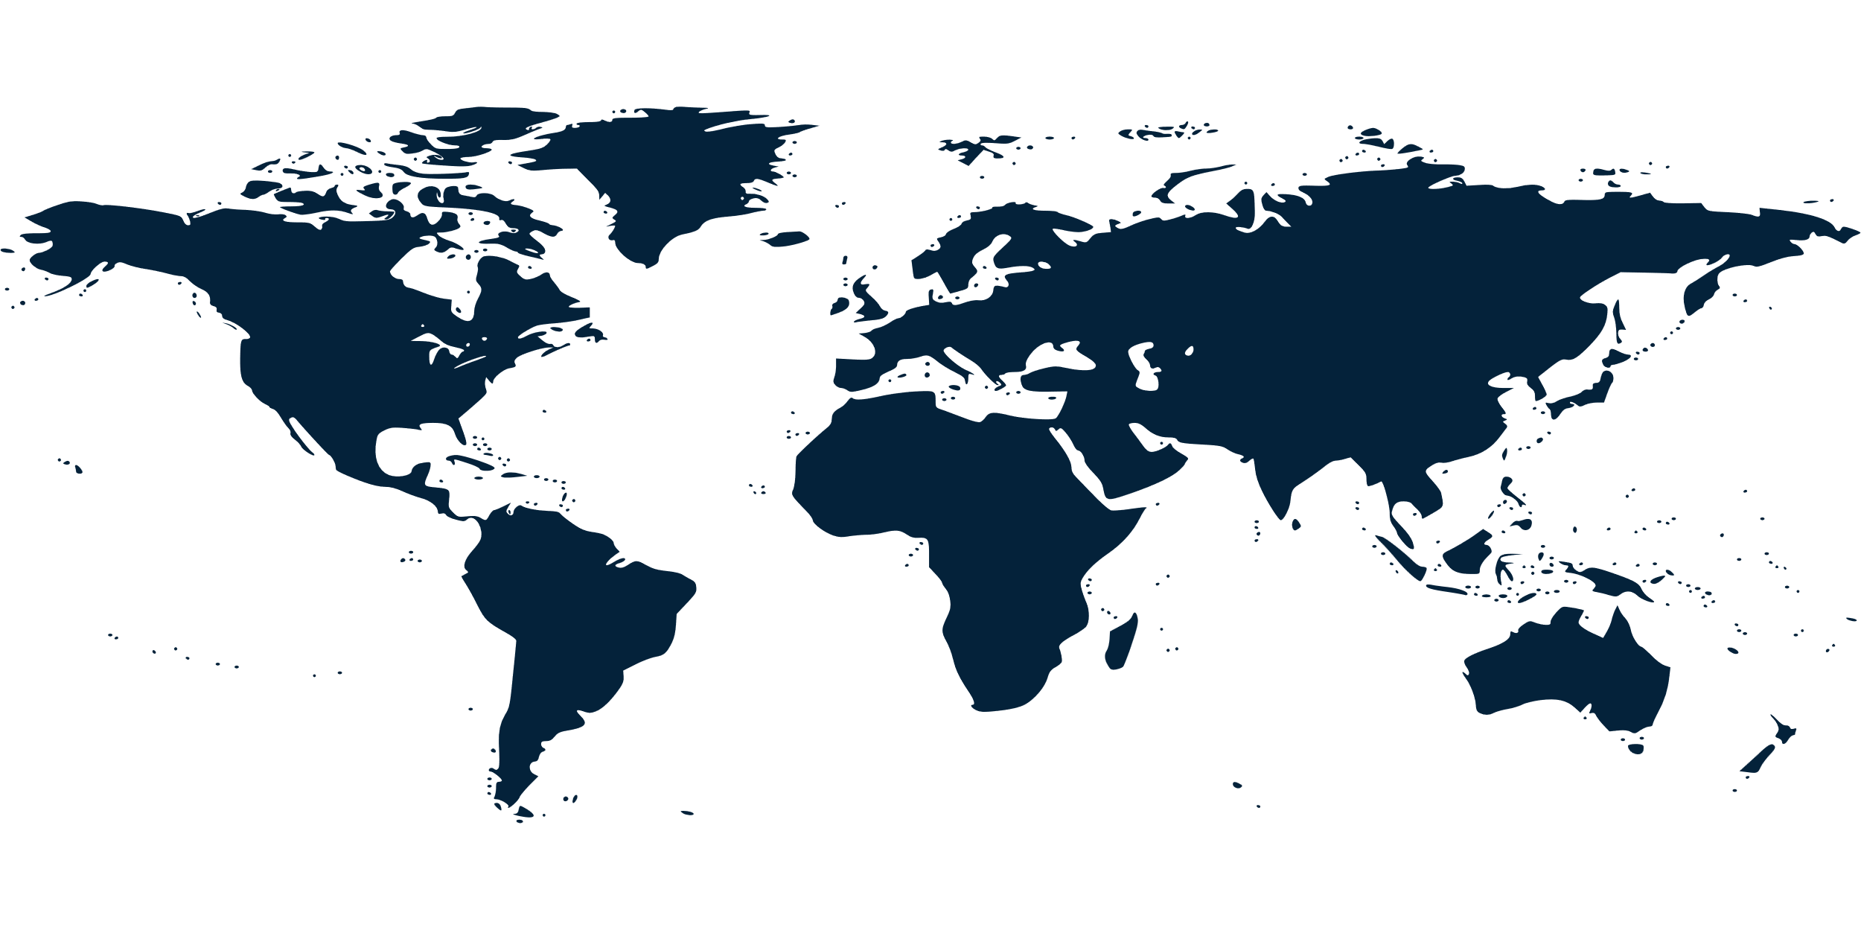
Overview
Geographically
Sales Process
Project Status

Financial Statistics

Canada
128,942
Russia
123,763

●
$720,883.34
●
●
●
●
●
●
●
●
●
●
●
●
●
●
●
●
●
●
●
●
●
●
●
●
●
●
●
●
●
●
●
●
●
●
●
●
●
●
●
●
●
●
●
●
●
 | Brazil | Canada | Egypt | Russia | United KIngdom | USA
 | 0.0% | 0.0% | 0.0% | 0.0% | 0.0% | 0.0%
 | 18.4% | 17.9% | 16.0% | 17.2% | 12.5% | 18.1%
●
●
●
●
●
United Kingdom
89,948
●
●
●
●
●
●
USA
130,369
Brazil
Canada
Egypt
Russia
United Kingdom
132,386
128,942
115,475
123,763
89,948
18.36%
17.89%
16.02%
17.17%
12.48%
●
●
●
●
●
USA
130,369
18.08%
●
●
●
●
●
●
●
●
●
●
●
●
●
●
●
●
●
●
●
●
●
●
●
●
115,475
Egypt
●
●
●
●
●
●
●
●
●
●

 |  | X & Y
 | 20% | 100%
 | 80% | 32%

●
●
●
●
●
●
●
●
●
●
●
●
Brazil
132,386
●
●
●
●
●
80%
Income percentage
●
●
●
●
●
●
●
●
●

●
 | 22.80% | 77.20%
Total Taxes
$164,361.40
22.80%
$66,321.27
Payroll taxes
9.20%
$53,345.37
Property taxes
7.40%
$44,694.77
Excise taxes
6.20%

Sales Process
Overview
Geographically
Sales Process
Project Status

Total Refunded
 | Total
Paid | 67.84%
Refunded | 32.16%
 | Total
Branch | 51804
Download | 55489
Shipment | 53803
Sales Process
set of repeatable steps that a sales takes to take prospective buyer from the early stage of awareness to closed sale

32.16%

256

Branches
○

128

256
Registered Customer Info
 | 1st | 2nd | 3rd
 | 1 | 73% | 1
 | 1 | 27% | -0.11256081682
 | 1
 | 1
 | 1
 | 1
 | 1
 | 1
 | 1
 | 1
 | 1
 | 1
 | 1
 | 1
 | 1
 | 1
 | 1
 | 1
 | 1
 | 1
 | 1
 | 1
 | 1
 | 1
 | 1
 | 1
 | 1
 | 1
 | 1
 | 1
 | 1
 | 1
 | 1
 | 1
 | 1
 | 1
 | 1
 | 1
 | 1
 | 1
 | 1
 | 1
 | 1
 | 1
 | 1
 | 1
 | 1
 | 1
 | 1
 | 1
...
│
Credit Card
○
○
│

│

384
│
Customer
│
Paid orders

`
$161,096

Financial Statistics

●
●

●

128

Cash on Delivery
256

Non-Registered Customer Info

128

Website

Project Status
Overview
Geographically
Sales Process
Project Status

Financial Growth Status

Investment
Department

$125,937
$723,839

20% monthly Increased
40% Yearly Increased

Finance

Projects
Technical
$1,252,013

$153,937
120% Increased
$523,137

24% monthly Increased
37% Quarterly Increased

Sales
Sales

$834,268
$383,130

38% Yearly Increased
20% monthly Increased

Current Status
Total Projects
Savings

$158,232,531
$75,343
32%

All figures, statistics, and numerical data presented in this document are for illustration and demonstration purposes only. They are sample values and do not represent actual or real-world data. No underlying dataset is included or referenced in this presentation.

